Helpful Tips
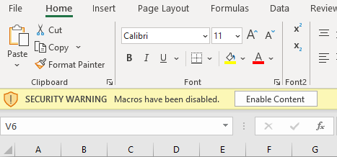
Helpful Tips

How to Enable Macros
1. When you open the workbook, look just above the formula bar for a yellow shaded row that looks like this:
2. If this appears, click the "Enable Content" button
3. Generally, should only have to do this the first time you open the workbook. If you download a new copy from
the Focus website or have additional staff access the workbook, will likely need to do this again.

How to Embed (insert) a PDF File in an Excel Worksheet | 1)
1. Go to Insert tab and click on the Object icon in the Text group. ...
2. In the Object dialog box, select the 'Create New' tab and the select 'Adobe Acrobat Document' from the list. ...
3. Check the option – 'Display as icon'.
4. If desired, select "Change Icon" to modify the file name displayed (ex: Installation invoice, COMcheckv1, etc.).
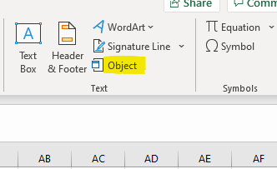
5. Click OK.
6. Select the PDF file to embed and click on Open.

How to Unhide rows in an Excel Worksheet
1. Select the row above, and row below the hidden rows

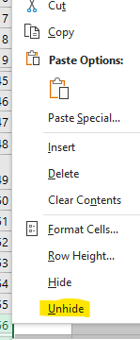
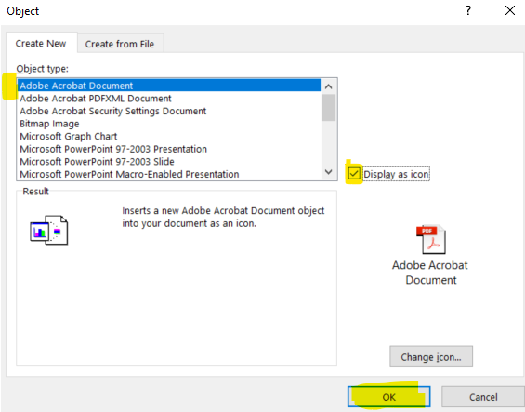
2. Right click mouse button | 2-4)
3. Select Unhide from menu

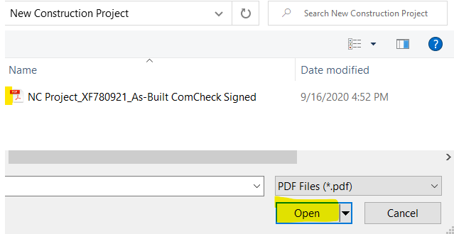
How to quickly capture a screen shot/snip
1. On a Windows PC press & hold WINDOWS Key + Shift + S | 5)
2. Screen will dim, then drag mouse to marquee around area you want captured
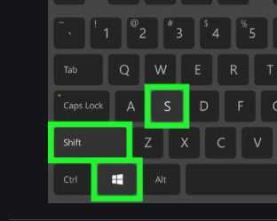
3. Click on workbook, then Ctrl + V to Paste image

