Lighting Layouts
Insert/Embed both Baseline and Energy Efficient LED Layout Designs
 |  |  | How to Embed a PDF File in an Excel Worksheet
 |  |  | 1. Go to Insert tab and click on the Object icon in the Text group. ...
 |  |  | 2. In the Object dialog box, select the 'Create New' tab and the select 'Adobe Acrobat Document' from the list. ...
 |  |  | 3. Check the option – 'Display as icon'.
 |  |  | 4. If desired, select "Change Icon" to modify the file name displayed (ex: Baseline Design, EE Design, etc.).
 |  |  | 5. Click OK.
 |  |  | 6. Select the PDF file to embed and click on Open.

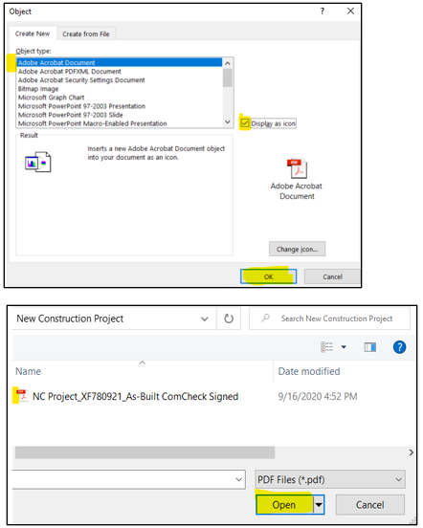
 | Baseline Design Layout | Energy Efficient Design Layout | 1) | 2 - 5)

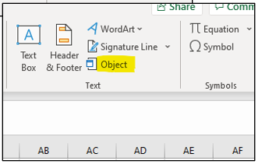

 |  |  |  | 6)

